Sheet1
 |  |  | WHS | SIZE 3 | SIZE 4 | SIZE 5 | TOTAL
JD8028 | 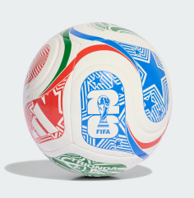 | WORLD CUP 2026 - TRIONDA CLUB | 11.95 | 300 | 500 | 1500 | 2300
JD8032 |  | WORLD CUP 2026 - TRIONDA TRN | 14.30 |  | 100 | 2000 | 2100
JD8045 |  | WORLD CUP 2026 - TRIONDA LGE BOX | 19.05 |  |  | 1300 | 1300
JD8021 | 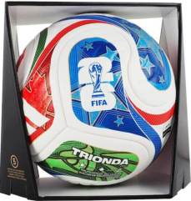 | WORLD CUP 26 TRIONDA PRO | 71.43 |  |  | 50 | 50
 |  |  |  |  |  |  | 5750

